HOF Plaque
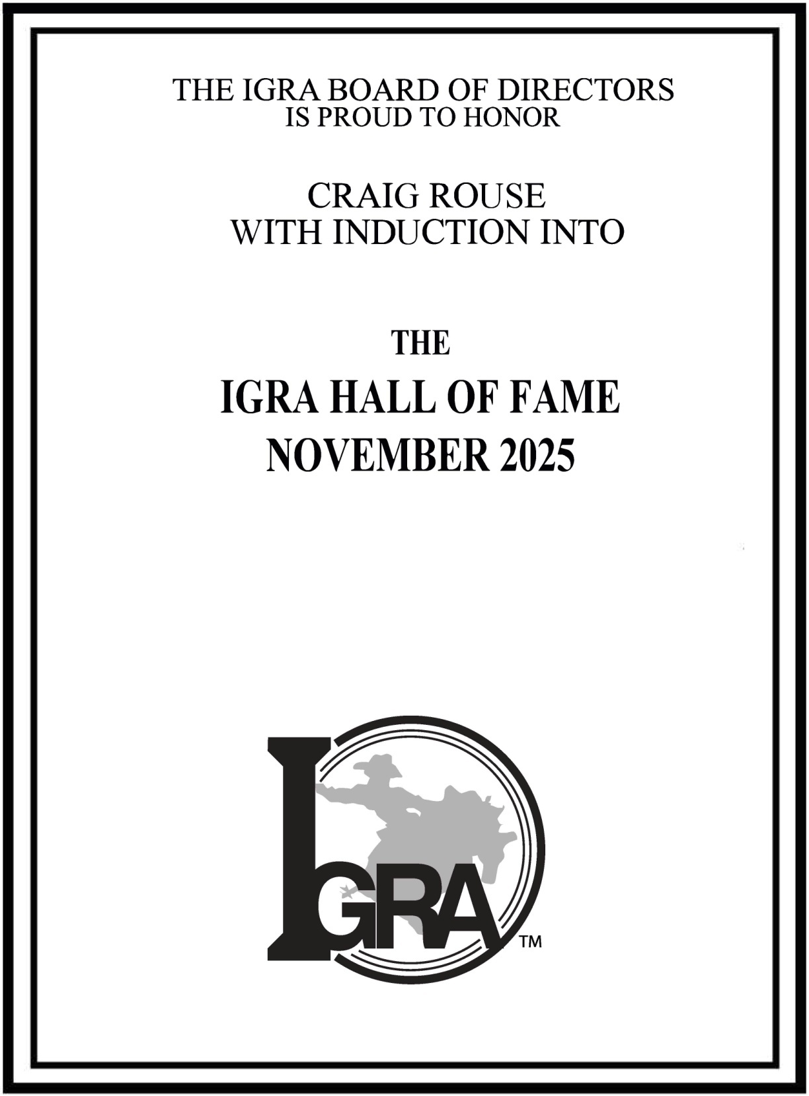
2025
IGRA HALL OF FAME
2025
CRAIG ROUSE

USE SAME PLAQUE AS WE DO ON THE PRESIDENTS AWARDS

